Payroll Rec
 | Recruiter Name: | Vince Brindisi
 | Initials: | VB
 | Draw Balance: | -25,297.93
 | Current Year: | 2026
 | Prior Year | 2025
 | Plan: | DH Recruiter
 | YTD Direct Hire Billings: | $97,206
 | YTD Staffing GM: | $19,028
 | YTD Cash-In: | $43,769
 | YTD Commissions Earned: | $25,119

 | Carryover Balance from 2020 | 2025-01-15 | 2025-01-31 | 2025-02-15 | 2025-02-28 | 2025-03-15 | 2025-03-31 | 2025-04-15 | 2025-04-30 | 2025-05-15 | 2025-05-31 | 2025-06-15 | 2025-06-30 | 2025-07-15 | 2025-07-31 | 2025-08-15 | 2025-08-31 | 2025-09-15 | 2025-09-30 | 2025-10-15 | 2025-10-31 | 2025-11-15 | 2025-11-30 | 2025-12-15 | 2025-12-31 | 2026-01-15
 |  | Payroll | Payroll | Payroll | Payroll | Payroll | Payroll | Payroll | Payroll | Payroll | Payroll | Payroll | Payroll | Payroll | Payroll | Payroll | Payroll | Payroll | Payroll | Payroll | Payroll | Payroll | Payroll | Payroll | Payroll | Payroll
 |  | Summary | Summary | Summary | Summary | Summary | Summary | Summary | Summary | Summary | Summary | Summary | Summary | Summary | Summary | Summary | Summary | Summary | Summary | Summary | Summary | Summary | Summary | Summary | Summary | Summary
Direct Hire/Temp to Perm Commissions |  | 25,400.00 |  | 5,850.00 |  | 3,370.00 |  | - |  | - |  | 8,287.50 |  | - |  | - |  | - |  | - |  | - |  | - |  | -
Staffing Commissions |  | 1,153.28 |  | 1,272.00 |  | 6,339.20 |  | - |  | - |  | - |  | - |  | - |  | - |  | - |  | - |  | - |  | -
Temp Override/Mentoring
DH Override/Mentoring
Override/Mentoring
SUBTOTAL Override/Mentoring |  | - | - | - | - | - | - | - | - | - | - | - | - | - | - | - | - | - | - | - | - | - | - | - | - | -
Client Paid Bonuses ()
Candidate/Client Referrals
Internal Hiring Referrals
Discretionary Bonus (Holiday/Performance)
SUBTOTAL Bonuses |  | - | - | - | - | - | - | - | - | - | - | - | - | - | - | - | - | - | - | - | - | - | - | - | - | -

 |  |  |  |  |  |  |  |  |  |  |  |  |  |  |  |  |  |  |  |  |  |  |  |  |  |  | - | TOTAL
Gross Commissions & Bonuses Earned |  | 26,553.28 | - | 7,122.00 | - | 9,709.20 | - | - | - | - | - | 8,287.50 | - | - | - | - | - | - | - | - | - | - | - | - | - | - | 51,671.98 | TOTAL | Gross Commissions Earned

Salary (+) |  |  |  |  |  |  |  |  |  |  |  |  |  |  |  |  |  |  |  |  |  |  |  |  |  |  | - |  | Salary (+)
Draw |  | 4,583.33 | 4,583.33 | 4,583.33 | 4,583.33 | 4,583.33 | 4,583.33 | 4,583.33 | 4,583.33 | 4,583.33 | 4,583.33 | 4,583.33 | 4,583.33 | 4,583.33 | 4,583.33 | 4,583.33 | 4,583.33 | 4,583.33 | 4,583.33 | 4,583.33 | 4,583.33 | 4,583.33 | 4,583.33 | 4,583.33 | 4,583.33 | 4,583.33 | 114,583.25 |  | Monthly Draw
Payroll Advances (Through Payroll) |  |  |  | - |  |  |  |  |  |  |  |  |  |  |  |  |  |  |  |  |  |  |  |  |  |  | - |  | Payroll Advances (Through Payroll)
Total Pay Before Draw/Advance Recovery |  | 31,136.61 | 4,583.33 | 11,705.33 | 4,583.33 | 14,292.53 | 4,583.33 | 4,583.33 | 4,583.33 | 4,583.33 | 4,583.33 | 12,870.83 | 4,583.33 | 4,583.33 | 4,583.33 | 4,583.33 | 4,583.33 | 4,583.33 | 4,583.33 | 4,583.33 | 4,583.33 | 4,583.33 | 4,583.33 | 4,583.33 | 4,583.33 | 4,583.33 | 114,583.25 |  | Subtotal

Draw/Advance Recovery (-) |  | (6,846.12) | - | (7,122.00) | - | (9,709.20) | - | - | - | - | - | (8,287.50) | - | - | - | - | - | - | - | - | - | - | - | - | - | -
Amt to be paid |  | 24,290.49 | 4,583.33 | 4,583.33 | 4,583.33 | 4,583.33 | 4,583.33 | 4,583.33 | 4,583.33 | 4,583.33 | 4,583.33 | 4,583.33 | 4,583.33 | 4,583.33 | 4,583.33 | 4,583.33 | 4,583.33 | 4,583.33 | 4,583.33 | 4,583.33 | 4,583.33 | 4,583.33 | 4,583.33 | 4,583.33 | 4,583.33 | 4,583.33 | 166,255.23 |  | Amt to be paid

Draw Balance (-) | (6,846.12) | (4,583.33) | (9,166.66) | (6,627.99) | (11,211.32) | (6,085.45) | (10,668.78) | (15,252.11) | (19,835.44) | (24,418.77) | (29,002.10) | (25,297.93) | (29,881.26) | (34,464.59) | (39,047.92) | (43,631.25) | (48,214.58) | (52,797.91) | (57,381.24) | (61,964.57) | (66,547.90) | (71,131.23) | (75,714.56) | (80,297.89) | (84,881.22) | (89,464.55) | (84,881.22) |  | Draw Balance
 |  |  |  | (2,044.66)
Per Commission Report |  |  |  | - |  | - |  | - | - | - | - | - | - | - | - | - | - | - | - | - |  | - |  | - |  | -

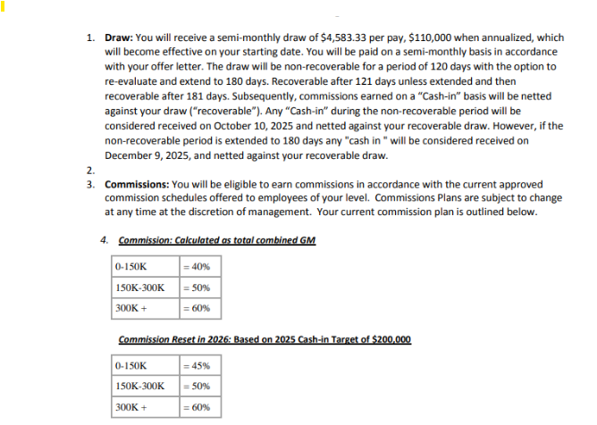
Draw | 4,583

